Indices

 | Iraq Stock Exchange
 | Bulletin No (14)
 | ISX Trading Indices of Sunday 25/1/2026

 | Traded Volume and OTC |  | 433,596,190 |  | Traded Value and OTC |  | 889,508,636 |  | Traders | 680

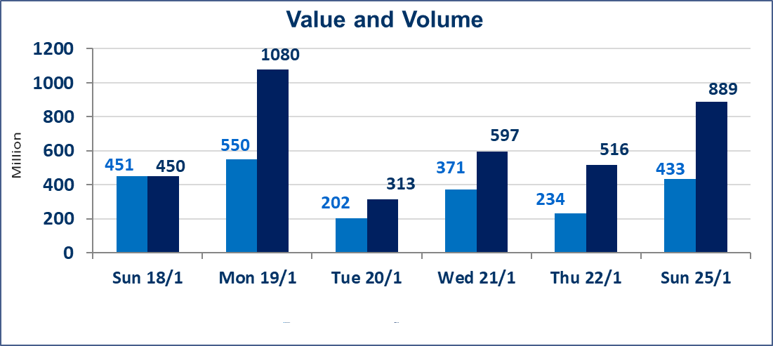
 | ISX Index 60 |  |  | 962.98 | ISX Index 15 |  |  | 1209.65
 | Previous ISX Index60 |  |  | 963.01 | Previous ISX Index15 |  |  | 1208.07
 | Change % |  |  | -0.003 | Change % |  |  | 0.13
 | Change |  |  | -0.03 | Change |  |  | 1.58

 | Listed Companies | 104 | OTC | 14 | Non Traded listed | 43 | OTC | 13
 | Traded Listed Companies | 45 | OTC | 1 | Higher Companies |  |  | 11
 | GAM Companies |  |  | 5 | Lower Companies |  |  | 13
 | Suspended Companies |  |  | 11
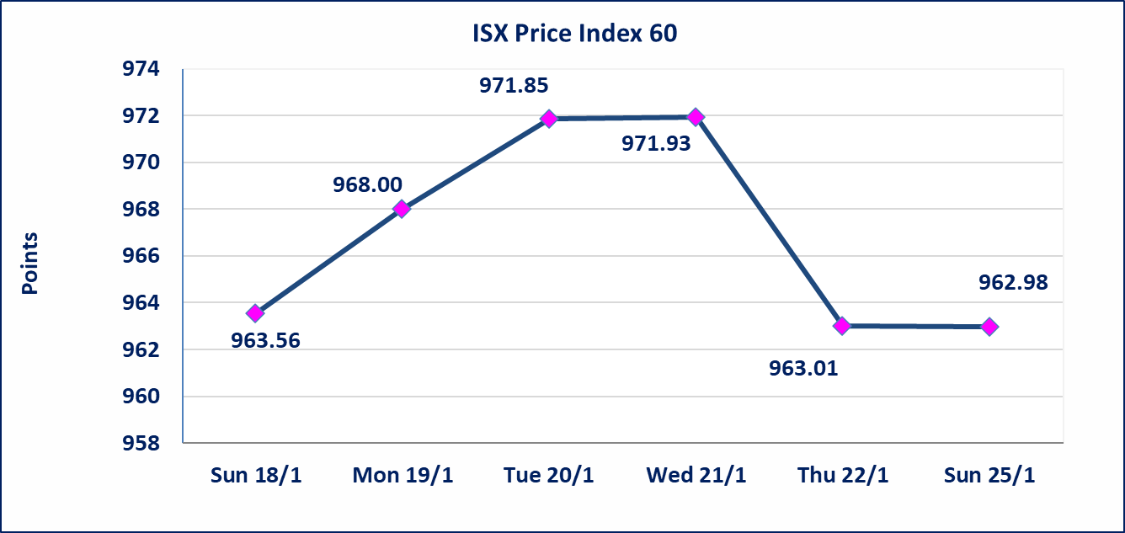
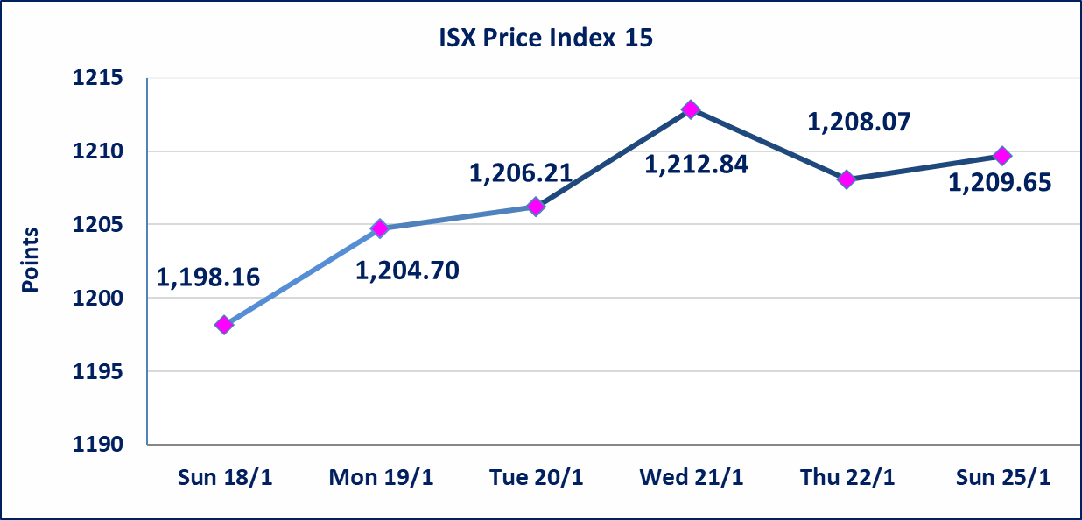

Al-Alwiya P.O . 3607 Mobile: 07711211522 - 07270094594 - 07834000034 E-mail: info-isx@isx-iq.net Web site:www.isx-iq.net

Top 5
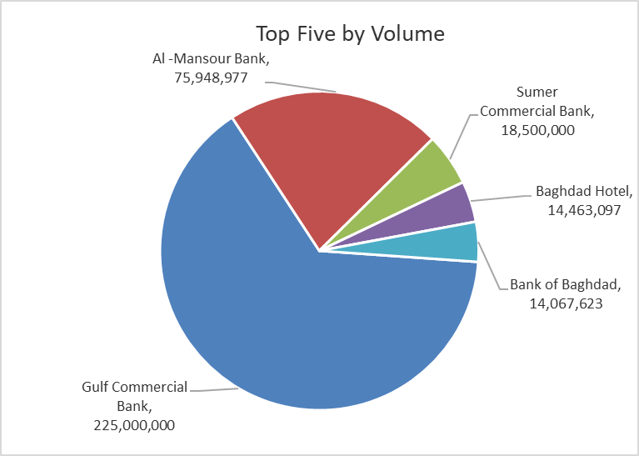
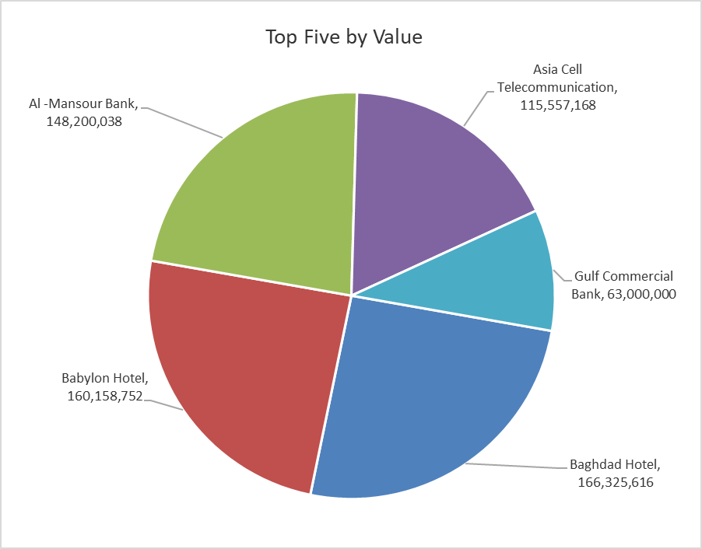

ISX top ganing and losing companies
Thursday 22/1/2026
 | Gainers |  |  |  | Losers
 | Company Name | Closing Price | Change (%) | Traded Volume | Company Name | Closing Price | Change (%) | Traded Volume
 | Al-Hamraa for Insurance | 2.230 | 19.25 | 874,350 | Iraqi Agricultural Products | 10.000 | -11.89 | 432
 | Al-Ameen Estate Investment | 2.300 | 11.65 | 15,000 | Babil Animal & Vegetable Production | 7.000 | -8.97 | 362,207
 | Kurdistan International Bank | 1.300 | 8.33 | 1,000,000 | Baghdad -Iraq Transportation | 22.450 | -4.47 | 1,921,865
 | Palestine Hotel | 22.050 | 5.00 | 1,760,000 | Investment Bank of Iraq | 0.230 | -4.17 | 7,986,264
 | Modern Construction Materials | 1.380 | 4.55 | 2,246,574 | Kharkh Tour Amuzement City | 4.150 | -3.49 | 250,000
 | The most active companies in term of traded volume and value

 | Traded Volume |  |  |  | Traded Value
 | Company Name | Closing Price | Change (%) | Traded Volume | Company Name | Closing Price | Change (%) | Traded Value
 | Gulf Commercial Bank | 0.280 | 0.00 | 225,000,000 | Baghdad Hotel | 11.500 | -0.43 | 166,325,616
 | Al -Mansour Bank | 1.950 | 0.00 | 75,948,977 | Babylon Hotel | 104.000 | 0.00 | 160,158,752
 | Sumer Commercial Bank | 0.130 | 0.00 | 18,500,000 | Al -Mansour Bank | 1.950 | 0.00 | 148,200,038
 | Baghdad Hotel | 11.500 | -0.43 | 14,463,097 | Asia Cell Telecommunication | 14.070 | 0.57 | 115,557,168
 | Bank of Baghdad | 3.270 | 0.00 | 14,067,623 | Gulf Commercial Bank | 0.280 | 0.00 | 63,000,000

Non Iraqis

Iraq Stock Exchange
Non Iraqis' Bulletin Sunday Jan 25 2026
Regular Market

Non Iraqi Trading of Regular Market (Buy)
Company Names | Code | No.of trades | Traded Shares | Trading Volume
Banks Sector
Gulf Commercial Bank | BGUC | 3 | 108,696,878 | 30,435,126
Total Bank sector |  | 3 | 108,696,878 | 30,435,126
Grand Total |  | 3 | 108,696,878 | 30,435,126

Non Iraqi Trading of Second Market (Sell)
Company Names | Code | No.of trades | Traded Shares | Trading Volume
Insurance Sector
Al-Hamraa for Insurance | NHAM | 1 | 50,000 | 111,500
Total Insurance sector |  | 1 | 50,000 | 111,500
Grand Total |  | 1 | 50,000 | 111,500

Not Trading Bonds

Iraq Stock Exchange
Sunday 25/1/2026
Not Trading Bonds Bulletin
Bond type | Publish type | Code | last trading price | immortilize date
Banaa Bonds /Million ID | Second | CB20 | 964,981 | 19/12/2025
Eamar Bonds /Million ID | First | CB30 | 1,001,095 | ــــــــــــــــ
Eamar Bonds /Million ID | Second | CB40 | ــــــــــــــــ | ــــــــــــــــ
Eamar Bonds /500 Thousand ID | Third | CB45 | ــــــــــــــــ | ــــــــــــــــ
Eamar Bonds /Million ID | Third | CB50 | ــــــــــــــــ | ــــــــــــــــ
Injaz Bonds /500 Thousand ID | First | CB55 | ــــــــــــــــ | ــــــــــــــــ
Injaz Bonds /Million ID | First | CB60 | ــــــــــــــــ | ــــــــــــــــ
Injaz Bonds /500 Thousand ID | Second | CB65 | 515,047 | ــــــــــــــــ
Injaz Bonds /Million ID | Second | CB70 | 1,026,082 | ــــــــــــــــ
Injaz Bonds /500 Thousand ID | Third | CB75 | ــــــــــــــــ | ــــــــــــــــ
Injaz Bonds /Million ID | Third | CB80 | ــــــــــــــــ | ــــــــــــــــ
National Bonds/Million ID | First | CB90 | ــــــــــــــــ | ــــــــــــــــ
National Bonds/500 Thousand ID | Second | CB95 | ــــــــــــــــ | ــــــــــــــــ
National Bonds/Million ID | Second | CB100 | ــــــــــــــــ | ــــــــــــــــ

